Hiearchy View
CLASS: SHUNT TIMER
a low-resistance wire apparatus, which, when clamped to the parallel tracks, will create a short-circuit between them. |  | 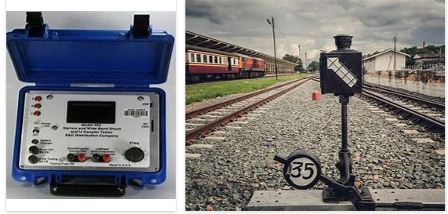
REMOVE | N

PROBLEM_DESC | CAUSE_DESC | REMEDY_DESC
ALARM/SENSOR
BROKEN/DAMAGED
LIGHTING
OTHER PROBLEM
OVERHEATING
PESTS
POWER-ELEC
STOPPED/SLOWED/POOR OPS
TEMP-CTRL
VIBRATION
Grand Total

